Example3 (Simplex)
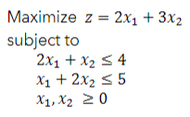
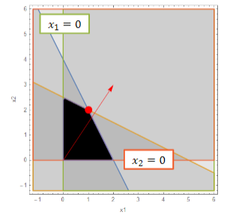

Basis | z | x1 | x2 | s1 | s2 | sol | min
z | 1 | -2 | -3 | 0 | 0 | 0 | 0
 | 0 | 2 | 1 | 1 | 0 | 4 | 4
 | 0 | 1 | 2 | 0 | 1 | 5 | 2.5

Basis | z | x1 | x2 | s1 | s2 | sol | min
 | 1 | -0.5 | 0 | 0 | 1.5 | 7.5
 | 0 | 1.5 | 0 | 1 | -0.5 | 1.5 | 1
 | 0 | 0.5 | 1 | 0 | 0.5 | 2.5 | 5

Basis | z | x1 | x2 | s1 | s2 | sol
 | 1 | 0 | 0 | 0.33333333333 | 1.3333333333 | 8
 | 0 | 1 | 0 | 0.66666666667 | -0.33333333333 | 1
 | 0 | 0 | 1 | -0.33333333333 | 0.66666666667 | 2

Example4 (Big M)
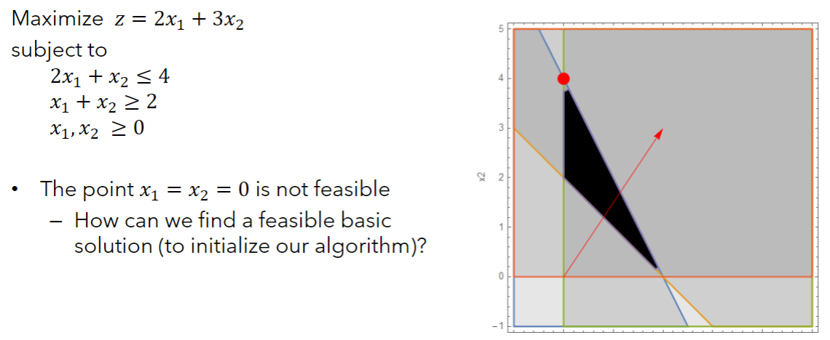

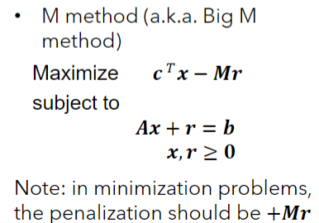
Basis | z | x1 | x2 | s1 | s2 | sol
 | 1 | -2 | -3 | 0 | 0 | 0
 | 0 | 2 | 1 | 1 | 0 | 4
 | 0 | 1 | 1 | 0 | -1 | 2

Basis | z | x1 | x2 | s1 | s2 | r | sol
 | 1 | -2 | -3 | 0 | 0 | 1000 | 0
 | 0 | 2 | 1 | 1 | 0 | 0 | 4
 | 0 | 1 | 1 | 0 | -1 | 1 | 2

Basis | z | x1 | x2 | s1 | s2 | r | sol | Min
 | 1 | -1002 | -1003 | 0 | 1000 | 0 | -2000 | 1.9940179462
 | 0 | 2 | 1 | 1 | 0 | 0 | 4 | 4
 | 0 | 1 | 1 | 0 | -1 | 1 | 2 | 2

Basis | z | x1 | x2 | s1 | s2 | r | sol | Min
 | 1 | 1 | 0 | 0 | -3 | 1003 | 6
 | 0 | 1 | 0 | 1 | 1 | -1 | 2 | 2
 | 0 | 1 | 1 | 0 | -1 | 1 | 2

Basis | z | x1 | x2 | s1 | s2 | r | sol
 | 1 | 4 | 0 | 3 | 0 | 1000 | 12
 | 0 | 1 | 0 | 1 | 1 | -1 | 2
 | 0 | 2 | 1 | 1 | 0 | 0 | 4

Example4 (Two-Phase)
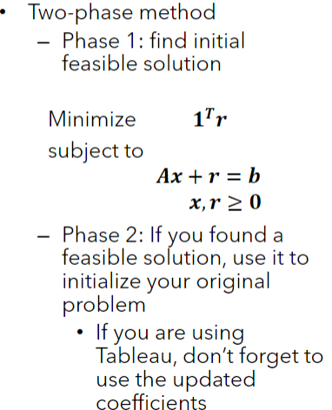
Basis | z | x1 | x2 | s1 | s2 | sol

Basis | z | x1 | x2 | s1 | s2 | r | sol

Basis | z | x1 | x2 | s1 | s2 | r | sol

Basis | z | x1 | x2 | s1 | s2 | r | sol

Example5 (Degeneracy)
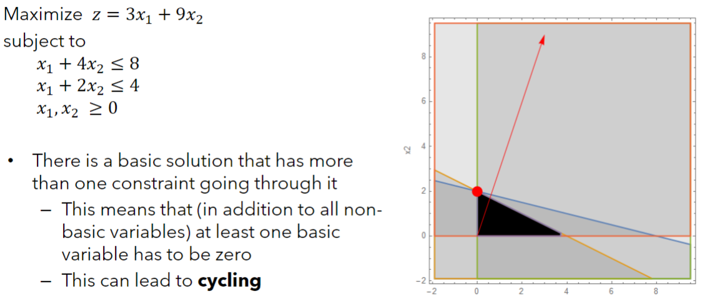

Basis | z | x1 | x2 | s1 | s2 | sol

Basis | z | x1 | x2 | s1 | s2 | sol

Basis | z | x1 | x2 | s1 | s2 | sol

Example6 (Alternate optima)
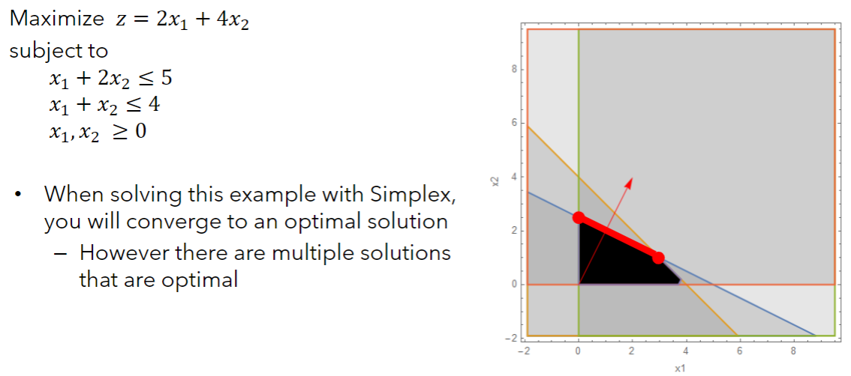

Basis | z | x1 | x2 | s1 | s2 | sol

Basis | z | x1 | x2 | s1 | s2 | sol

Basis | z | x1 | x2 | s1 | s2 | sol

Example7A (Unb. sol space)
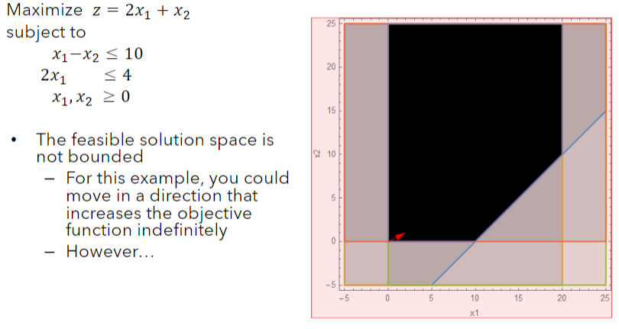

Basis | z | x1 | x2 | s1 | s2 | sol

Basis | z | x1 | x2 | s1 | s2 | sol

Basis | z | x1 | x2 | s1 | s2 | sol

Example7B (Unb. sol space)
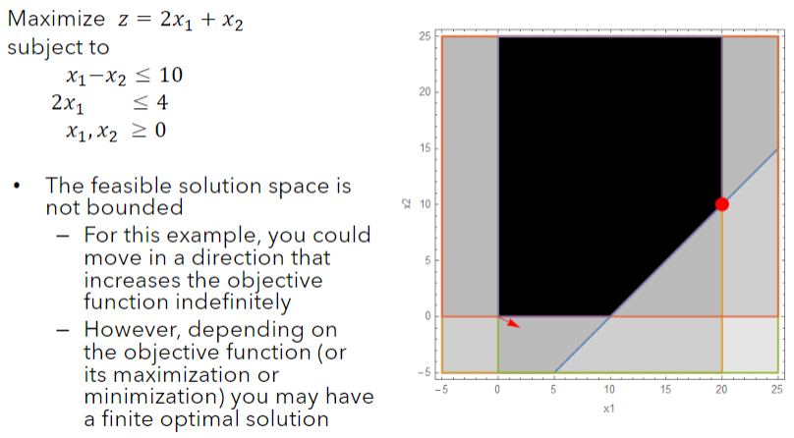

Basis | z | x1 | x2 | s1 | s2 | sol

Basis | z | x1 | x2 | s1 | s2 | sol

Basis | z | x1 | x2 | s1 | s2 | sol

